Sheet1
The code in the instructor's video(s) does not match the code given to the student to download and follow; the code files appear to be already be completed or do not match the instructor's screen when following along with him.
Section | Ask/Need | Template Name | Examples from Videos | Examples from the template provided
Domain 1 Videos | Please review this item | Cart Assignment | 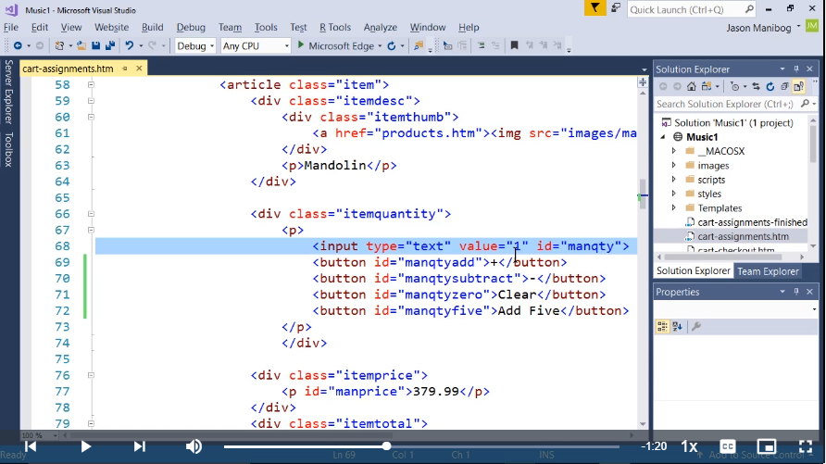 | 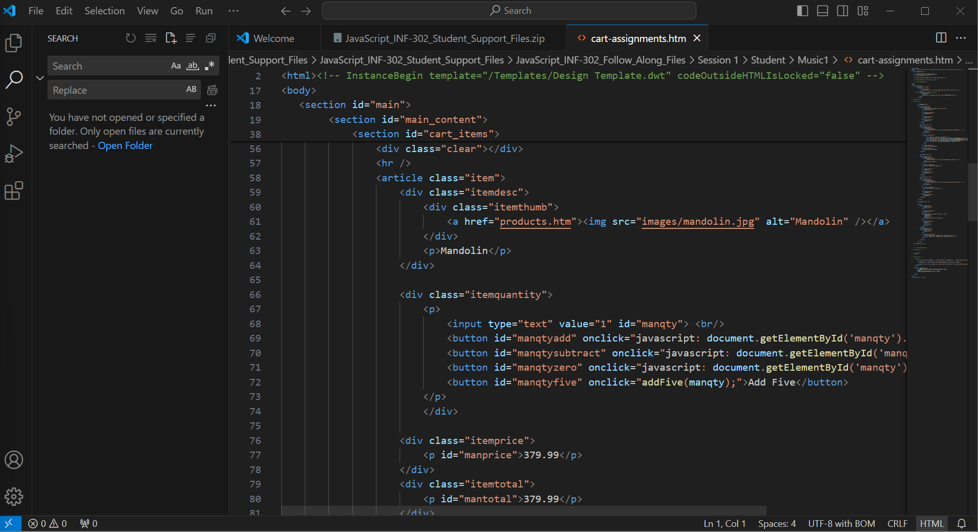
Domain 1 Videos | Please review this item | Cart Assignment | 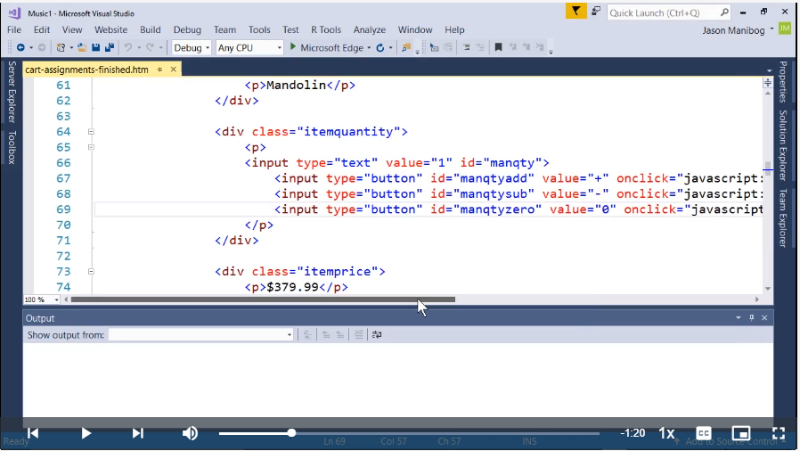 | 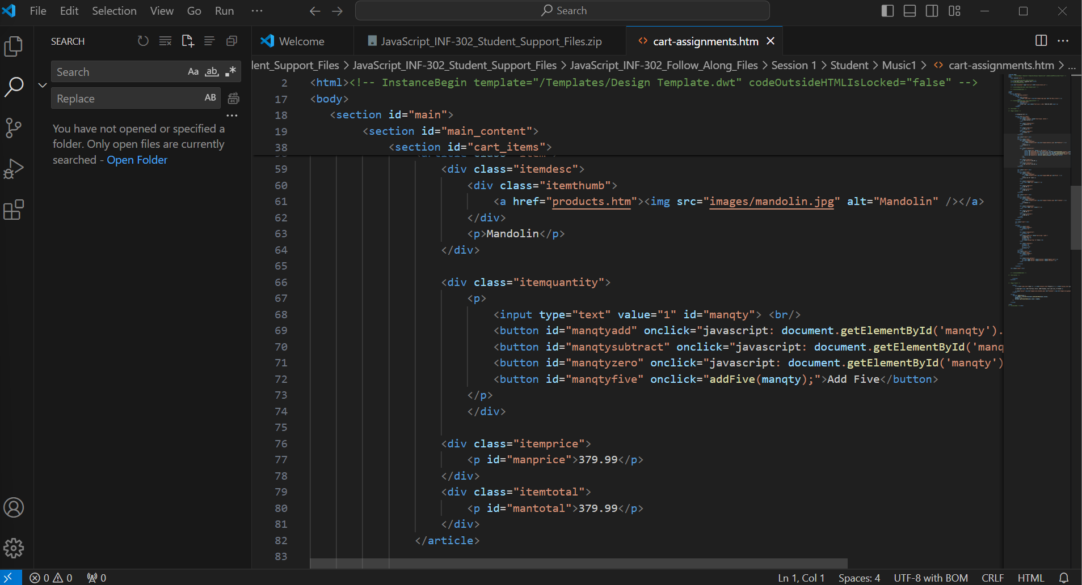
Domain 1 Videos | Please review this item | Cart Opperators | 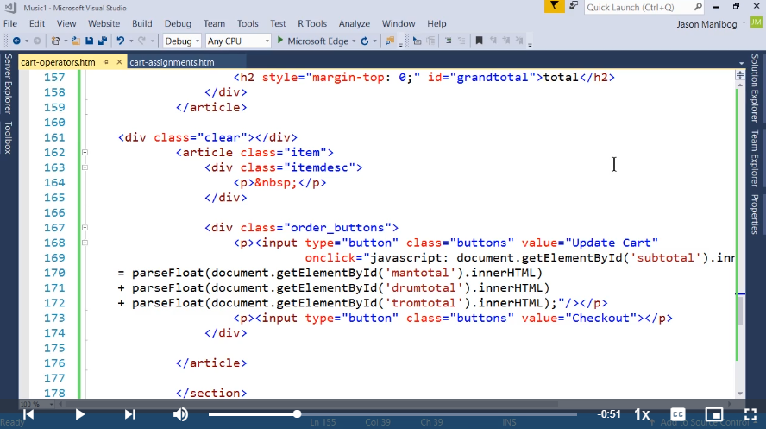 | 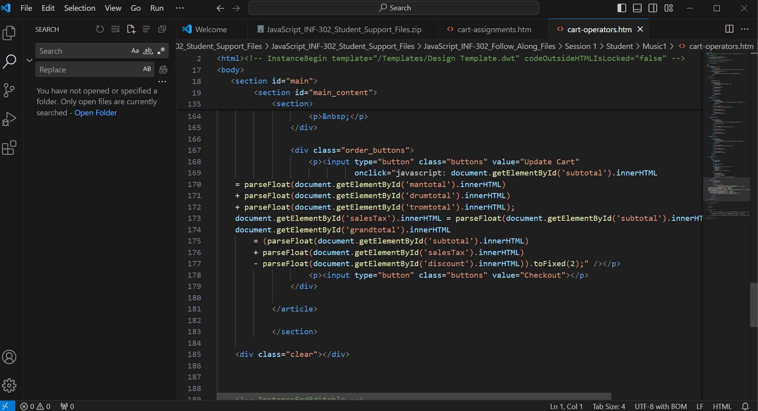
Domain 1 Videos | Please review this item | Cart Opperators (Note the 10) | 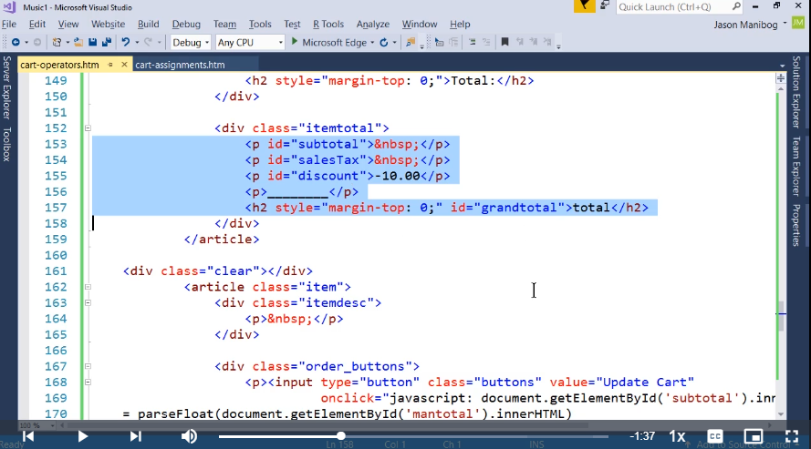 | 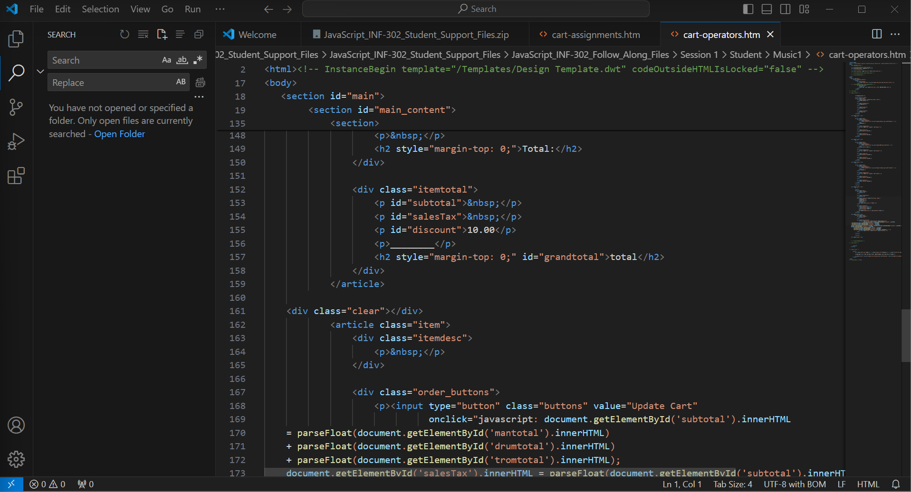
Domain 1 Videos | Please review this item | Soundproofing Division (note 25 + 1 on line 50 ) | 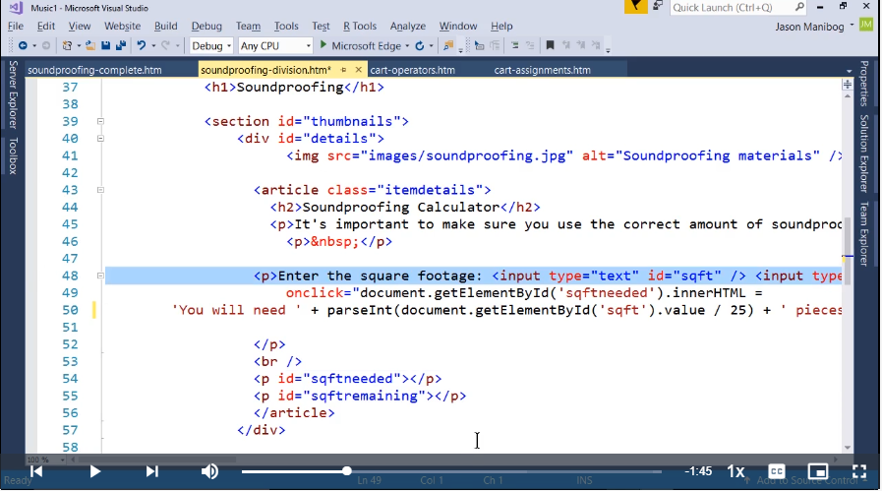 | 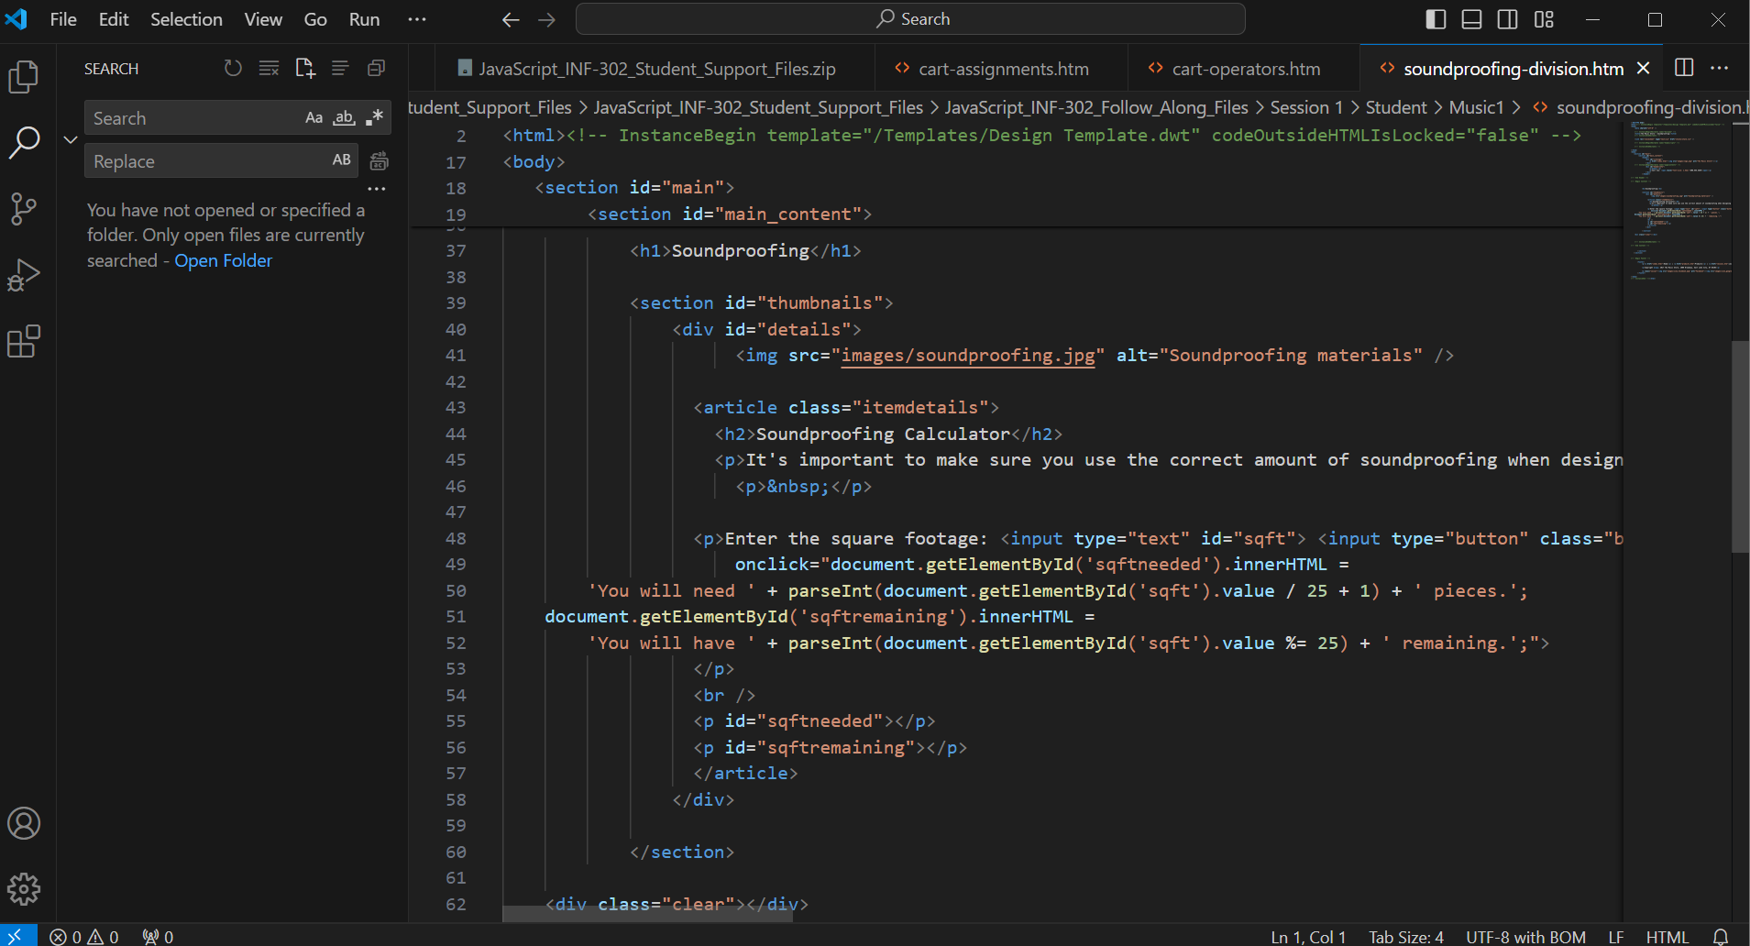
Domain 1 Videos | Please review this item | Cart Opperators (Note the 10) | 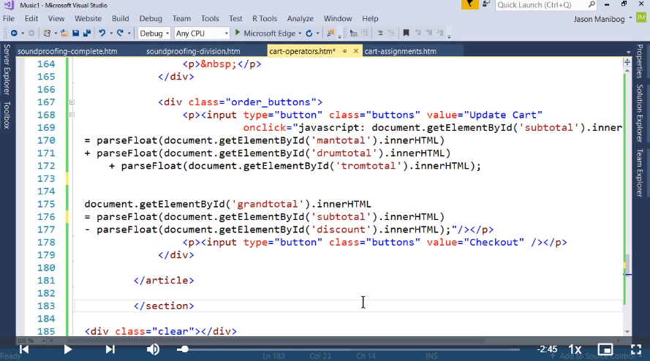 | 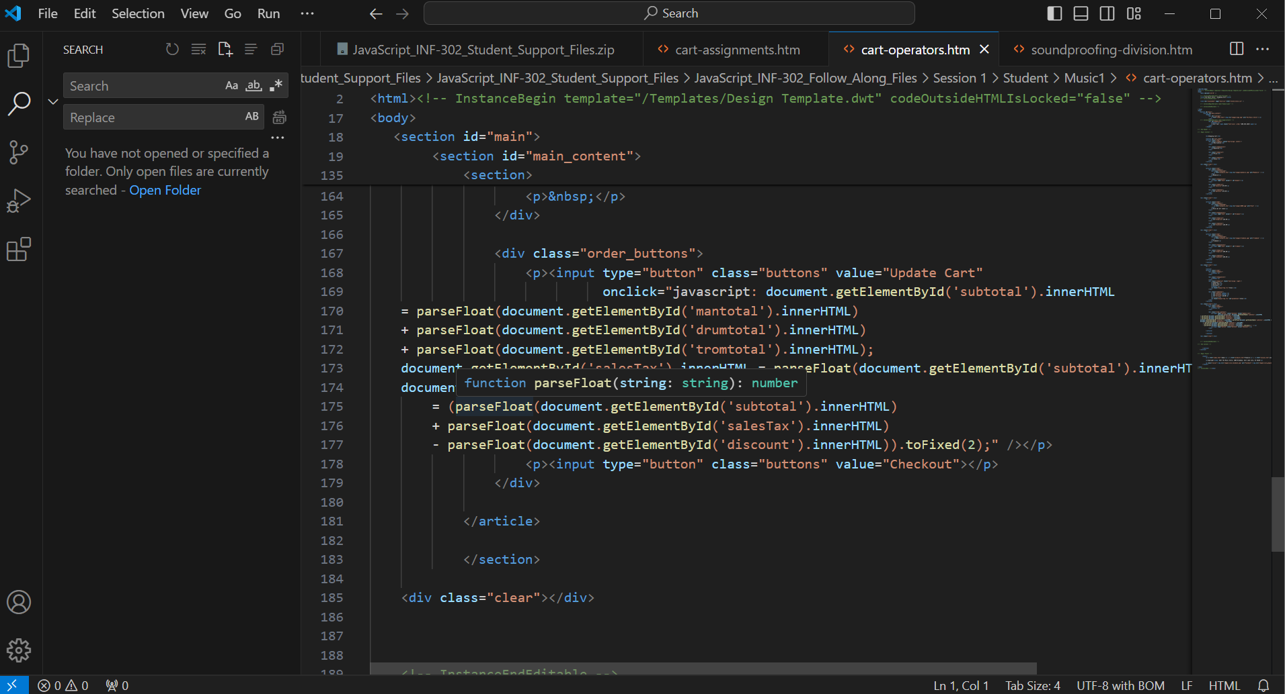
Domain 1 Videos | Please review this item | Cart Compound | 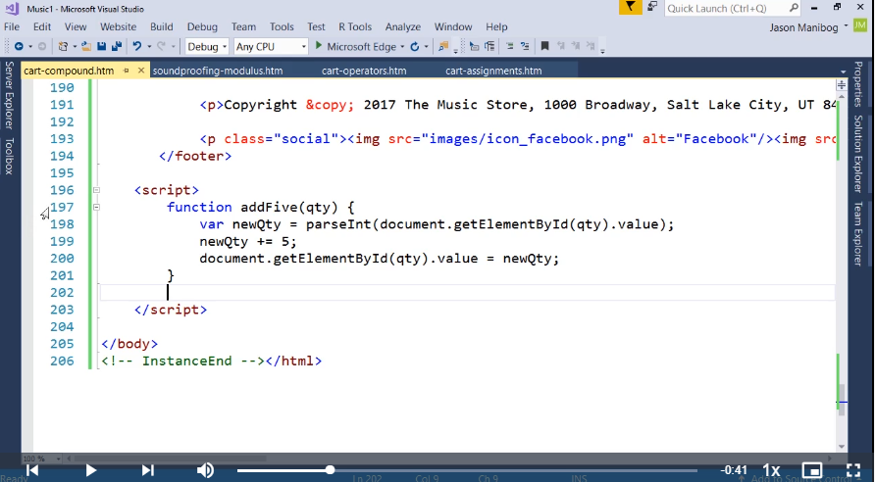 | 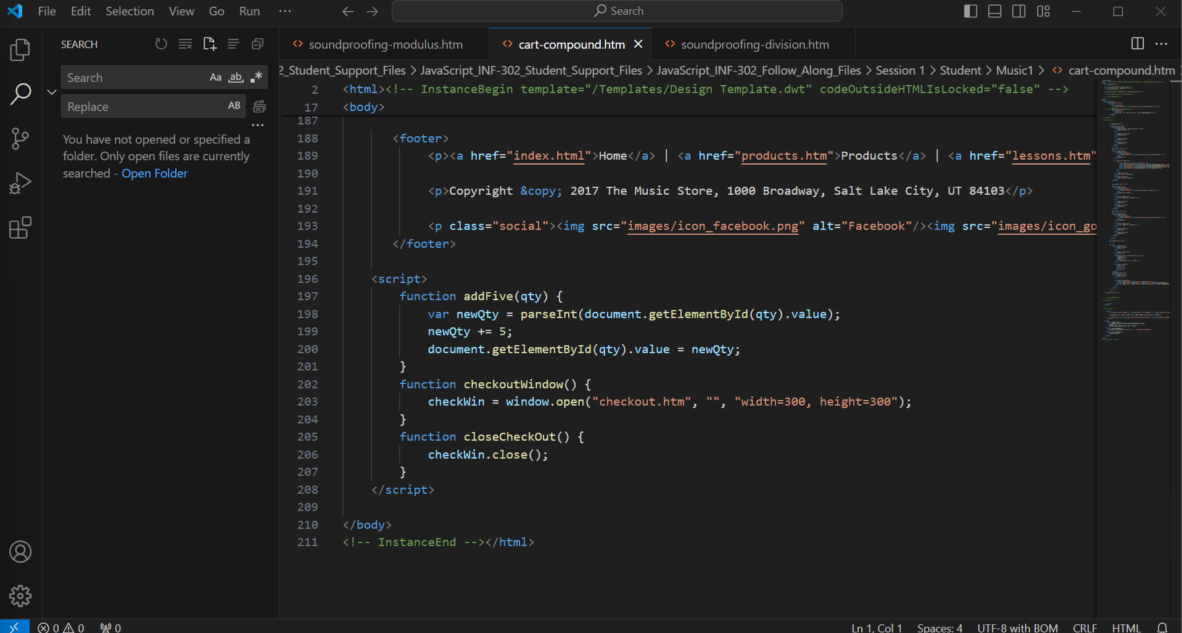
Domain 1 Videos | Please review this item | Cart Compound | 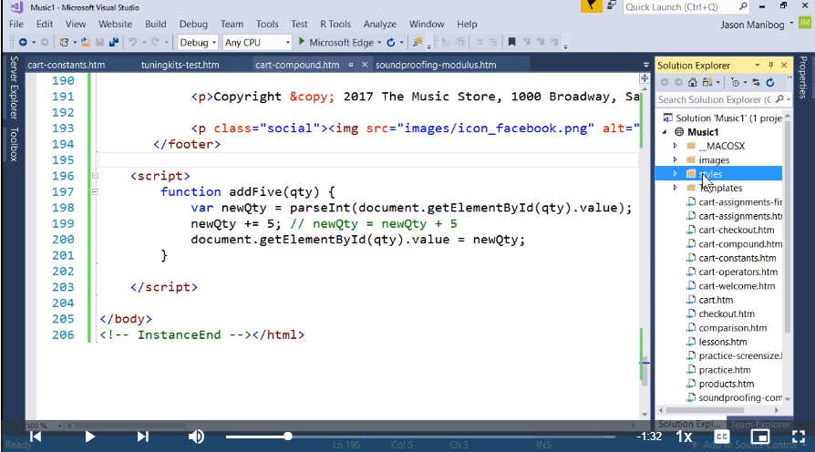 | 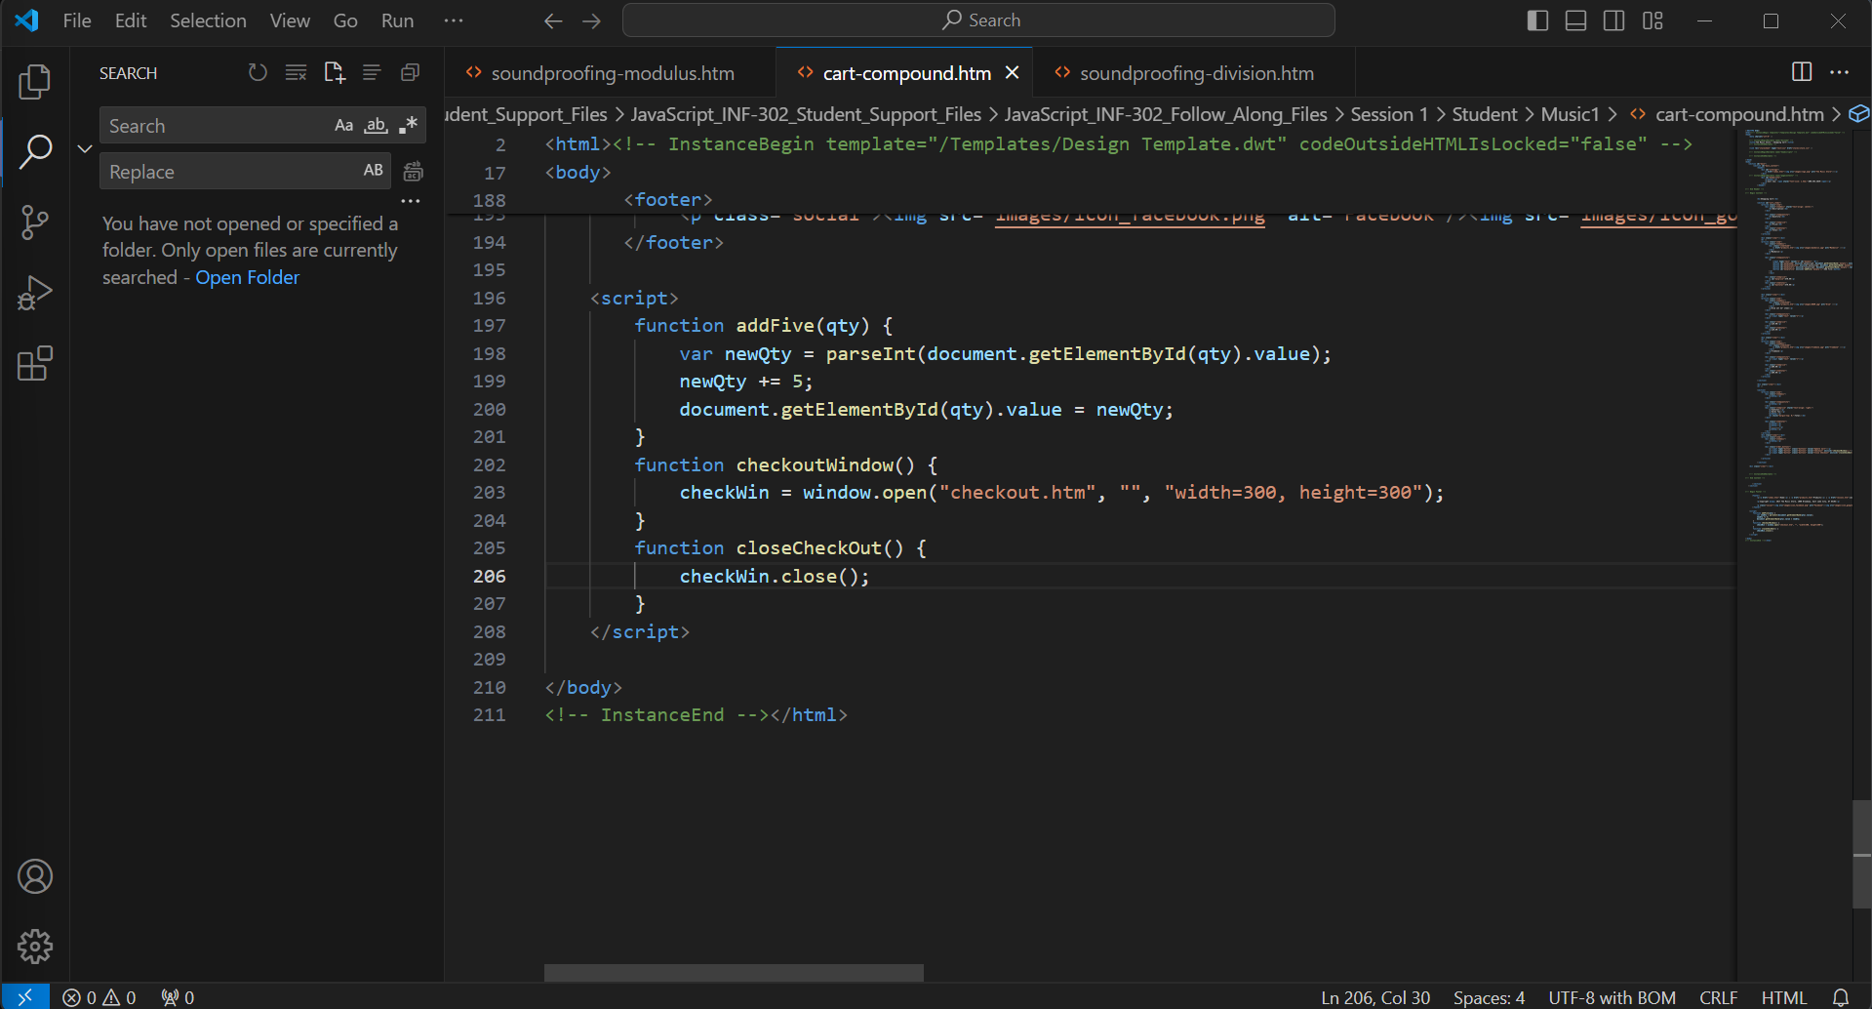
Domain 1 Videos | Please review this item | Cart Constant | 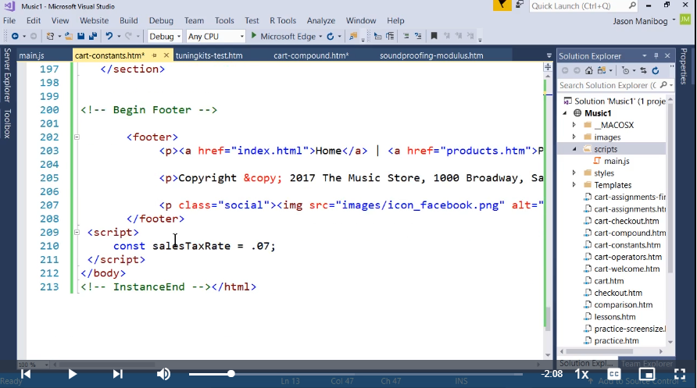 | 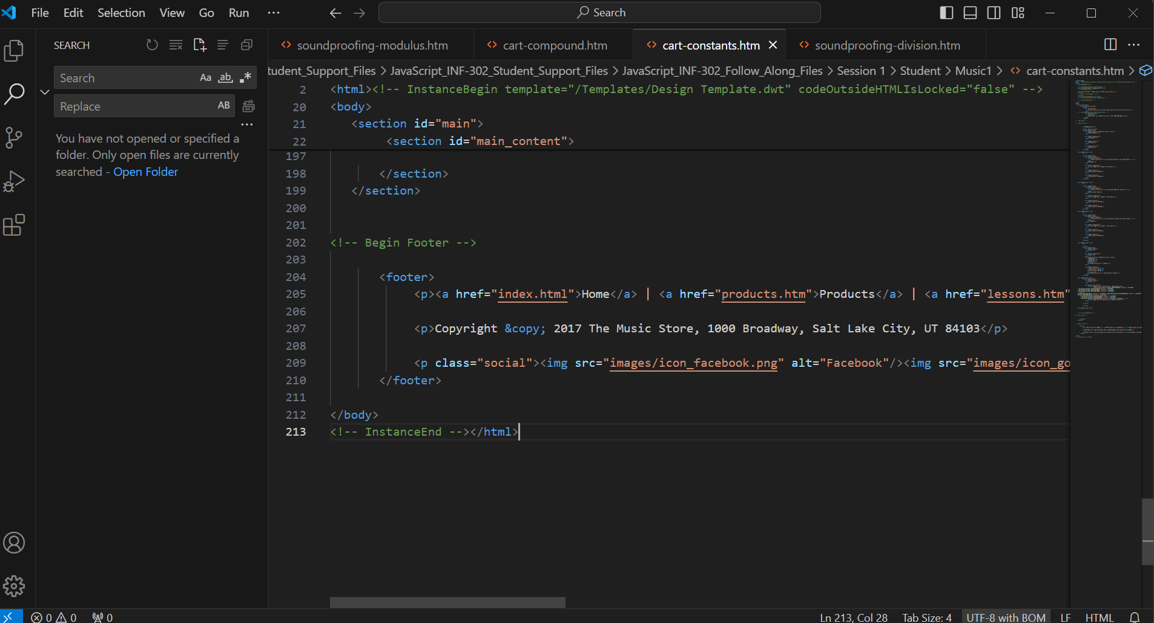
Domain 1 Videos | Please review this item | Practice screensize | 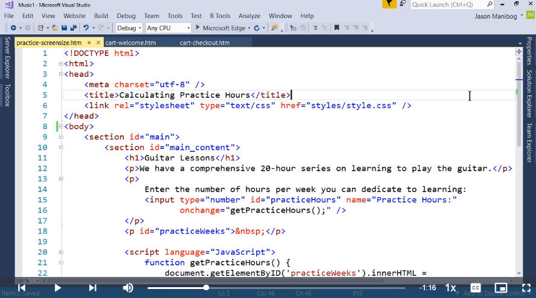 | 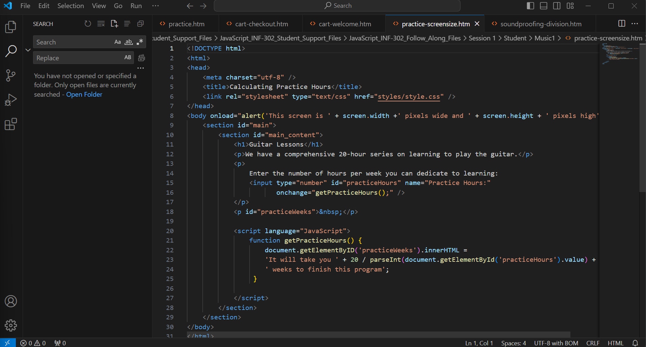
Domain 2 Videos | Please review this item | 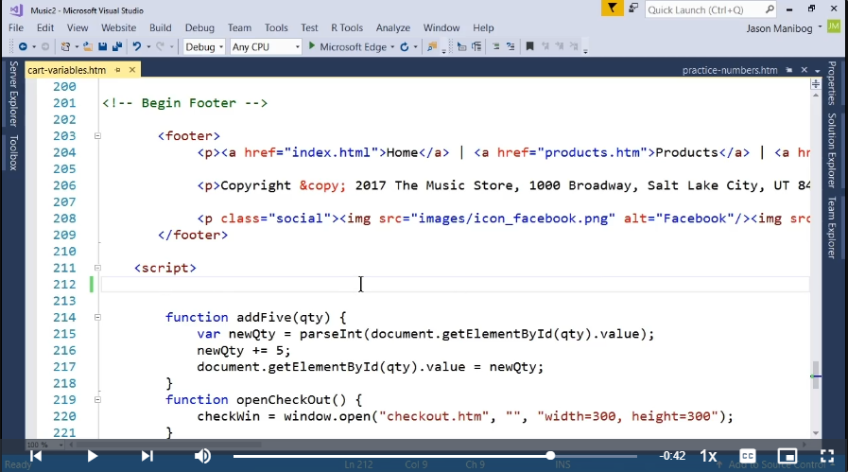 Cart Variables | 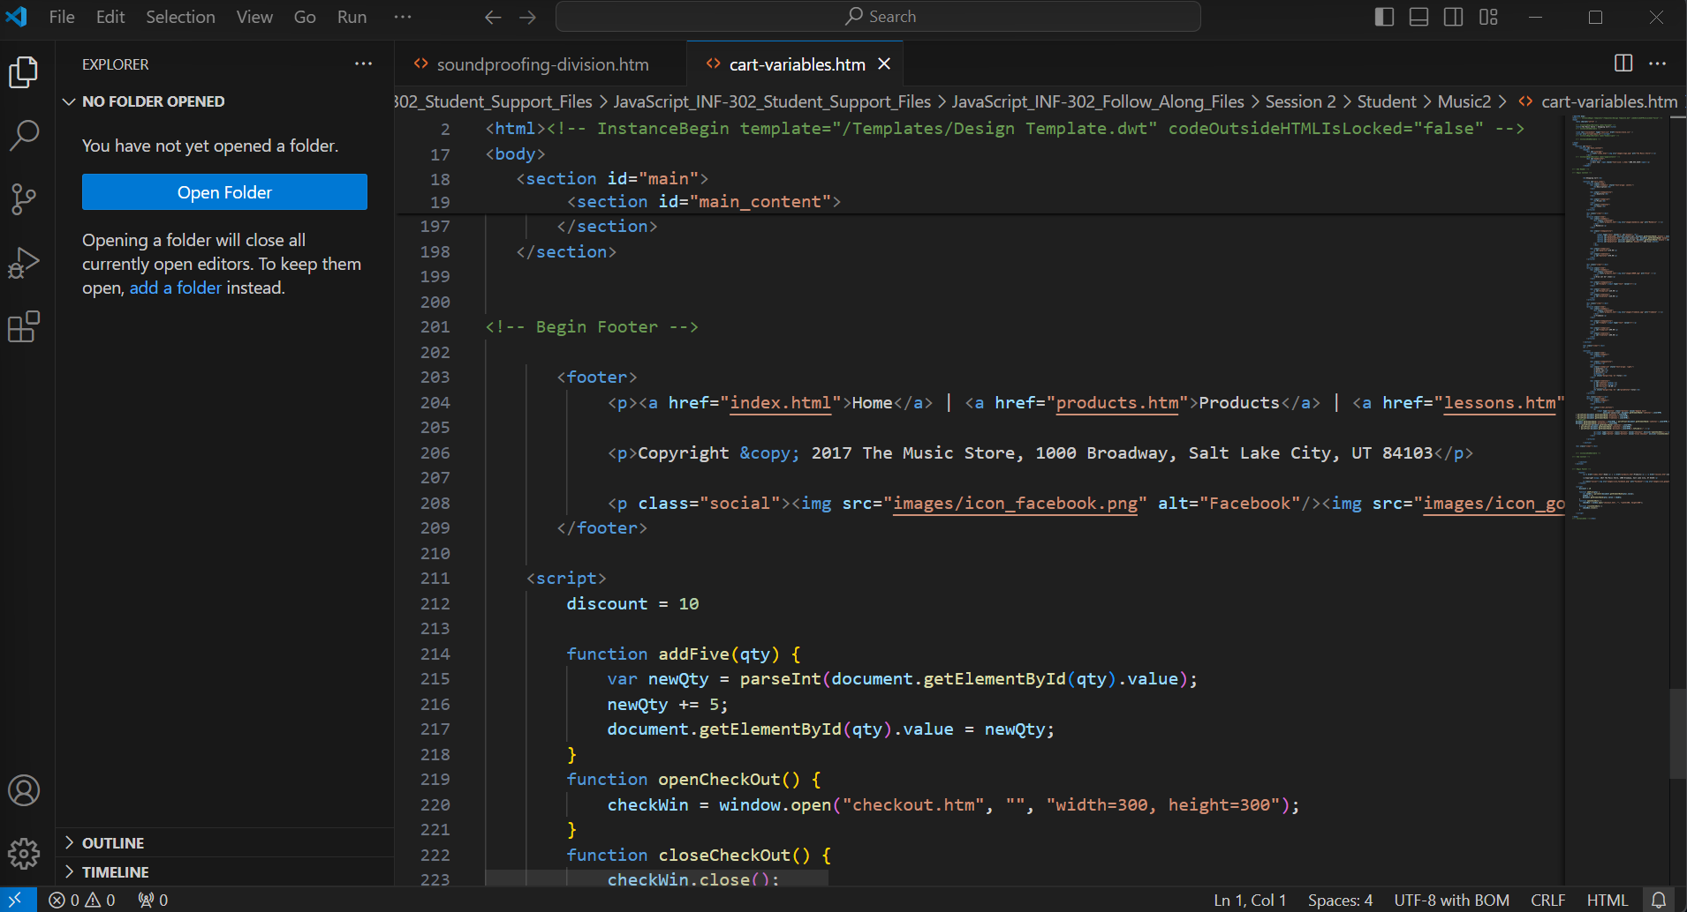
Domain 2 Videos | Please review this item | 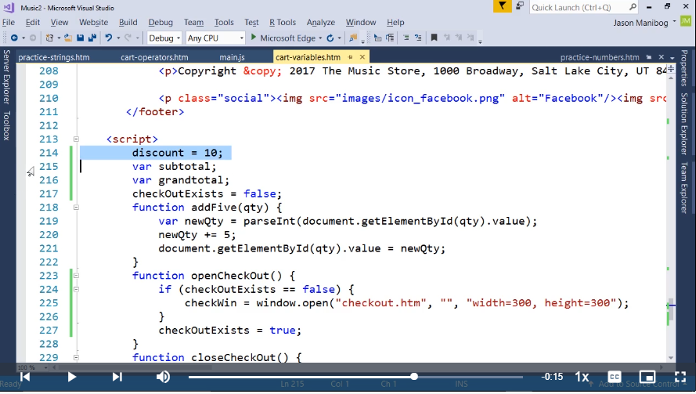 Cart Variables | 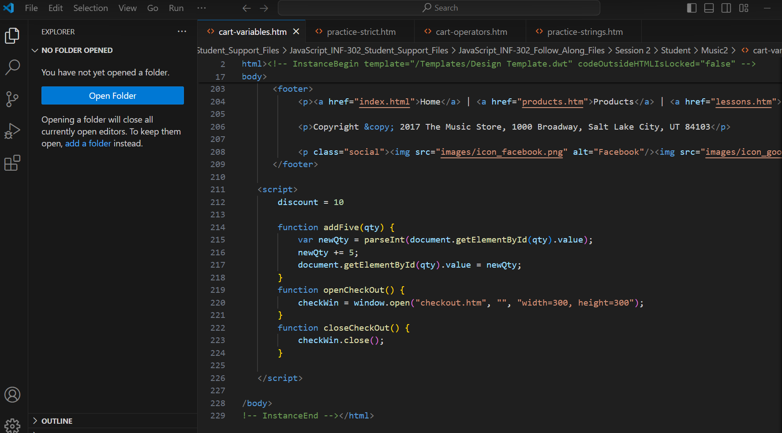
Domain 2 Videos | Please review this item | 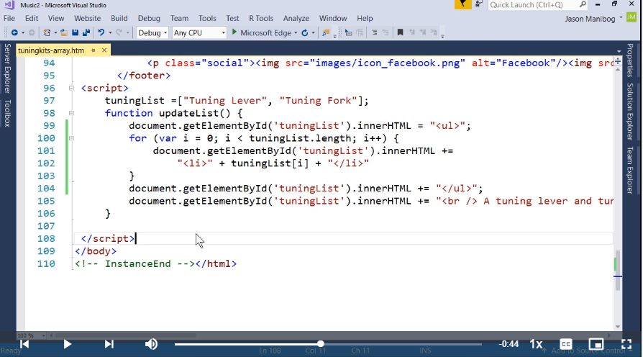 Tuningkits Array | 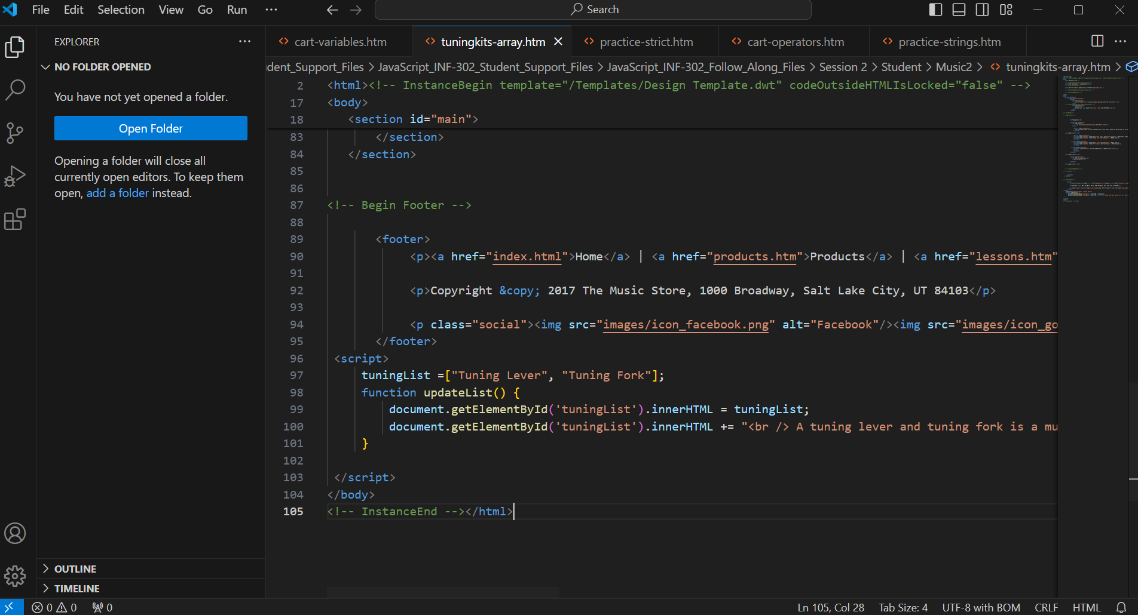
Domain 2 Videos | Please review this item | 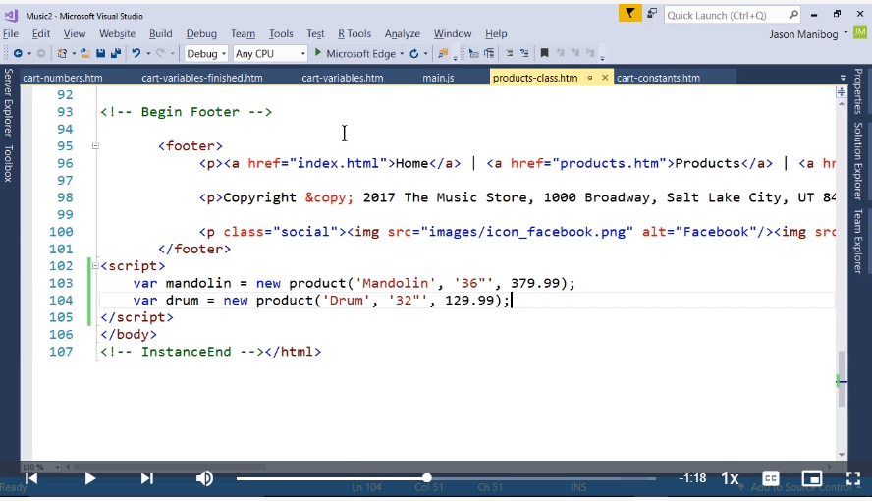 Product Class | 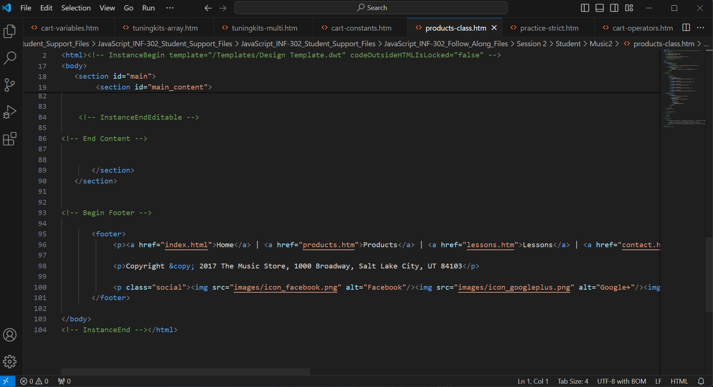
Domain 2 Videos | Please review this item | 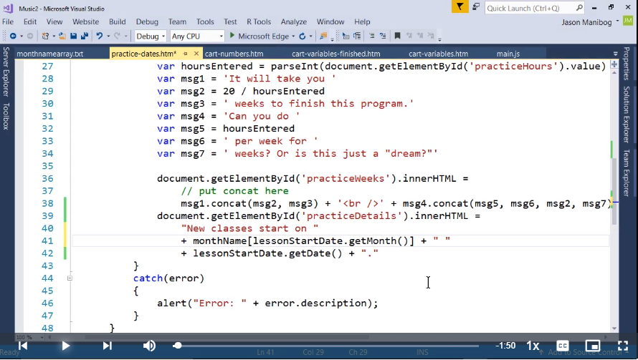 | 